Dashboard
 MARKET SURVEY
2025-03-02
Property | Management | Product Type | Year Built | Rating | Beds | Occupancy | Lease Launch Date | Renewal Launch Date | Pre-Lease | Pre-Lease Last Year | Total Renewals | Total New Leases | Traffic: Weekly | Market Rent | Concessions | Effective Rent | Adjustments | Bundled Rent | Bundled Rent / SF | Last Updated On
Operating
 |  |  |  |  |  |  |  |  |  |  |  |  |  |  |  |  |  |  |  |  | FALSE
50-50 | Burlington Capital Properties | Mid-Rise | 2014 | 2 | 475 | 99.6% | 2023-10-27 | 2023-10-27 | 100.0% | #NAME? | 0 | 475 | 0 | $0 | $0 | $0 | $0 | $0 | $0.00 | 3/3/25 | FALSE
Academy Lincoln | Aspen Heights | Mid-Rise | 2016 | 3 | 632 | 98.6% | 2024-10-16 | 2024-10-07 | 71.8% | #NAME? | 185 | 269 | 3 | $769 | $0 | $769 | -$35 | $734 | $2.30 | 3/3/25 | TRUE
LivRed | Campion | Mid-Rise | 2022 | 4 | 575 | 93.5% | 2024-10-15 | 2024-10-01 | 65.0% | #NAME? | 0 | 374 | 0 | $716 | -$74 | $642 | $15 | $657 | $2.00 | 3/1/25 | FALSE
Atmosphere | Trinitas Ventures | Mid-Rise | 2023 | 4 | 779 | 85.4% | 2024-10-01 | 2024-09-16 | 59.0% | #NAME? | 0 | 460 | 0 | $953 | $0 | $953 | -$30 | $923 | $2.59 | 3/3/25 | FALSE
Latitude | CA Ventures | Mid-Rise | 2015 | 3 | 573 | 83.6% | 2024-10-07 | 2024-09-30 | 44.0% | #NAME? | 0 | 252 | 0 | $773 | $0 | $773 | $0 | $773 | $2.28 | 3/3/25 | FALSE
8N | Trinitas | Mid-Rise | 2016 | 3 | 617 | 100.0% | 2024-09-24 | 2024-09-24 | 0.0% | #NAME? | 0 | 0 | 0 | $680 | -$8 | $671 | $0 | $671 | $2.00 | 3/3/25 | FALSE
Total / Average |  |  |  |  | 3,651 | 93.0% |  |  | 55.2% | #NAME? | 185 | 1830 | 3 | $685 | -$13 | $672 | -$10 | $662 | $1.96
 |  |  |  |  |  |  |  |  |  |  |  |  |  |  |  |  |  |  |  |  | FALSE

 |  |  |  |  |  |  |  |  |  | needs to be manually input on each tab

8N
MARKET SURVEY |  |  |  |  |  |  |  |  |  |  |  |  |  |  |  |  |  |  |  |  |  |  | Property Detail: 8N Lofts

Property Summary |  |  |  | Property Amenities |  |  |  |  |  | Unit Amenities |  |  |  |  |  |  | 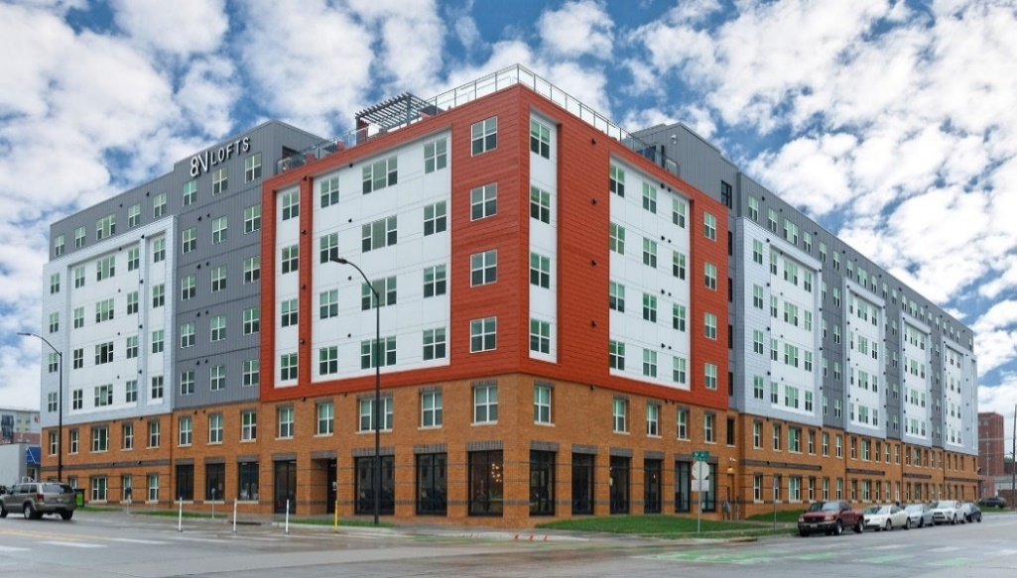 Insert Property Photo
Property | 8N Lofts |  |  | Common Area Rating |  |  | 2 |  |  | Unit Rating |  |  |  |  | 3
Website |  |  |  | University Shuttle |  |  | No |  |  | Unit Levels |  |  |  |  | 1
Address | 811 N St |  |  | Private Shuttle |  |  | Yes |  |  | Private Bathrooms |  |  |  |  | Varies
 |  |  |  | Limited Access Gates |  |  | Yes |  |  | Walk-in Closets |  |  |  |  | Varies
Phone Number | 402-623-6348 |  |  | Fitness Center |  |  | Yes |  |  | Washer / Dryer in Unit |  |  |  |  | Yes
Developer | Trinitas |  |  | Computer Lounge |  |  | Yes |  |  | Smart Home Technology |  |  |  |  | No
Manager | Scion |  |  | Game Room |  |  | Yes |  |  | Smart Bedroom Locks |  |  |  |  | Yes
Owner | Scion |  |  | Spray Tanning |  |  | No |  |  | Smart Unit Locks |  |  |  |  | Yes
Property Type | Student |  |  | UV Tanning |  |  | No |  |  | Energy Efficient Appliances |  |  |  |  | Yes
Property Status | Operational |  |  | Pool |  |  | No |  |  | Stainless Steel Appliances |  |  |  |  | Yes
Product Type | Mid-Rise |  |  | Hot Tub |  |  | Yes |  |  | Balconies |  |  |  |  | No
Property Rating | 3 |  |  | 24hr Package System |  |  | No |  |  | Patios |  |  |  |  | No
Comp Status | Tier 1 |  |  | EV Charging Stations |  |  | No |  |  | Backyards |  |  |  |  | No
Year Built / Renovated | 2016 |  |  | Car Sharing Services |  |  | No |  |  | TV
Most Recent Sale | Jul-05 |  |  | Smart Vending |  |  | No |  |  | Included in Rent |  |  |  |  | Yes
Distance From Campus | 1.1 Miles |  |  | Mini Market |  |  | No |  |  | Rentable Rate (if not included) |  |  |  |  | $0 | 0 | Notes
 |  |  |  | Movie Theatre |  |  | No |  |  | Bedroom |  |  |  |  | $0 |  | Leasing Special Notes
Leasing Summary |  |  |  | Co-Working/Study Spaces |  |  | Yes |  |  | Common Area |  |  |  |  | $0 |  | No longer participate in market survey - College House
Reporting Cycle | Saturday-Friday |  |  | Free Printing |  |  | Yes |  |  | Furniture |  |  |  |  |  |  | College House has not been updated since 9/06
Lease Launch Date | 2024-09-24 |  |  | Coffee Bar |  |  | No |  |  | Included in Rent |  |  |  |  | Yes
Renewal Launch Date | 2024-09-24 |  |  | Retail |  |  | No |  |  | Rentable Rate (if not included) |  |  |  |  | $0
Current Occupancy | 100.0% |  |  | Sauna/Spa |  |  | No |  |  | Other Premiums
Last Year Occupancy | #NAME? |  |  | Cycling/Yoga Studio |  |  | Yes |  |  | Floor Premiums |  |  |  |  | $0
Current Pre-Lease | 0.0% |  |  | Rentable Guest Suite |  |  | No |  |  | Poolside |  |  |  |  | $0
Last Year Pre-Lease | #NAME? |  |  | Wellness Classes |  |  | No |  |  | Top Floor |  |  |  |  | $20
Total Renewals | 0 |  |  | 24hr Concierge |  |  | No |  |  | View Premiums |  |  |  |  | $0
Total New Leases | 0 |  |  | Outdoor Grill Area |  |  | Yes |  |  | Other |  |  |  |  | $0 |  | Property Notes/Operational Changes
Total Leases: Weekly | 0 |  |  | Sand Volleyball Court |  |  | No
Traffic: Weekly | 0 |  |  | Basketball Court |  |  | No |  |  | Utilities Summary
Current Incentive | None |  |  | Pets Allowed |  |  | No |  |  |  | All Inclusive | Cap | Allowance | Amount | Per Unit/Bed
Incentive Amount | $0 |  |  | Dog Wash |  |  | No |  |  | Electricity | No | No | No | $30 | Per Bed | 0
Data Last Updated | 2025-03-03 |  |  | Dog Park |  |  | No |  |  | Gas | No | No | No | $0 | Per Bed | 0
 |  |  |  |  |  |  |  |  |  | Water | Yes | No | No | $0 | Per Bed | 0
Short Term Leases |  |  |  | Parking |  |  |  |  |  | Other Utilities | Included | Amount |  |  |  | -1 | Office Hours
5 Month Term Available | No |  |  |  | Required | Included | Amount |  |  | Cable/Satellite | No | $0 |  |  | Per Bed | 0 | Monday |  | 10:00 – 6:00
5 Month Term Premium | $0 |  |  | Surface | No | No | $20 | 0 |  | Internet | Yes | $0 |  |  | Per Bed | 0 | Tuesday |  | 10:00 – 6:00
5 Month Term Quantity | N/A |  |  | Reserved | No | No | $80 | 0 |  | Trash Service | Yes | $0 |  |  | Per Bed | 0 | Wednesday |  | 10:00 – 6:00
10 Month Term Available | No |  |  | Covered | No | No | $101 | 0 |  | Valet Trash | No | $0 |  |  | Per Bed | 0 | Thursday |  | 10:00 – 6:00
10 Month Term Premium | $0 |  |  | Garage |  |  |  | 0 |  | Recycling | No | $0 |  |  | Per Bed | 0 | Friday |  | 10:00 – 6:00
10 Month Term Quantity | N/A |  |  | Other | No | No | $0 | 0 |  |  |  |  |  |  |  |  | Saturday |  | Closed
 |  |  |  |  |  |  |  | 0 |  |  |  |  |  |  |  |  | Sunday |  | Closed
Fees | Amount | Frequency
Application Fee | $30 | Monthly
Administration Fee | $150 | Monthly
Fee Structure | Both Fees Due | Monthly
Utility Set Up Fee | $0 | Monthly
Utility Deposit | $0 | Monthly
Amenity Fee | $0 | Monthly
Common Area Fee | $0 | Monthly
Smart Home Fee | $0 | Monthly
Restoration Fee | $0 | Monthly
Security Deposit | $0 | Monthly
Pet Fee | $0 | Monthly
Pet Deposit | $0 | Monthly
Pet Rent | $0 | Monthly

Rents by Floorplan *
 |  |  |  |  |  |  |  | Market Rent |  | Concessions |  |  | Effective Rent |  | Additional Monthly Expenses |  |  |  |  |  |  | Bundled Rent
Floorplan Type | Description |  | Count | SF / Bed | Bed | Bath | Available | Per Bed | Per SF | Gift Card | One-Time Rent | Monthly Rent | Per Bed | Per SF | Furniture | TV | Elec/Gas | Water | Cable & Internet | Trash & Valet | Parking | Per Bed | Per SF
1 Bedroom | 1x1 |  | 6 | 452 | 1 | 1.0 | Yes | $1,449 | $3.21 | $0 | $0 | $0 | $1,449 | $3.21 | $0 | $0 | $0 | $0 | $0 | $0 | $0 | $1,449 | $3.21 | 1
2 Bedroom | 2x1 |  | 48 | 347 | 2 | 1.0 | Yes | $749 | $2.16 | $0 | $0 | $30 | $719 | $2.08 | $0 | $0 | $0 | $0 | $0 | $0 | $0 | $719 | $2.08 | 1
2 Bedroom | 2x1 w/ den |  | 14 | 451 | 2 | 1.0 | Yes | $759 | $1.68 | $0 | $0 | $0 | $759 | $1.68 | $0 | $0 | $0 | $0 | $0 | $0 | $0 | $759 | $1.68 | 1
3 Bedroom | 3x2 |  | 18 | 502 | 3 | 2.0 | Yes | $779 | $1.55 | $0 | $0 | $80 | $699 | $1.39 | $0 | $0 | $0 | $0 | $0 | $0 | $0 | $699 | $1.39 | 1
3 Bedroom | 3x3 |  | 9 | 421 | 3 | 3.0 | Yes | $799 | $1.90 | $0 | $0 | $0 | $799 | $1.90 | $0 | $0 | $0 | $0 | $0 | $0 | $0 | $799 | $1.90 | 1
4 Bedroom | 4x2 |  | 228 | 300 | 4 | 2.0 | Yes | $629 | $2.09 | $0 | $0 | $10 | $619 | $2.06 | $0 | $0 | $0 | $0 | $0 | $0 | $0 | $619 | $2.06 | 1
4 Bedroom | 4x4 |  | 204 | 381 | 4 | 4.0 | Yes | $669 | $1.76 | $0 | $0 | $0 | $669 | $1.76 | $0 | $0 | $0 | $0 | $0 | $0 | $0 | $669 | $1.76 | 1
5 Bedroom | 5x3 |  | 90 | 282 | 3 | 3.0 | Yes | $699 | $2.48 | $0 | $0 | $0 | $699 | $2.48 | $0 | $0 | $0 | $0 | $0 | $0 | $0 | $699 | $2.48 | 1
Property Average |  |  | 617 | 340 |  |  | Yes | $680 | $2.03 | $0 | $0 | $8 | $671 | $2.00 | $0 | $0 | $0 | $0 | $0 | $0 | $0 | $671 | $2.00

Average Rents by Unit Type *
 |  |  |  |  |  |  |  | Market Rent |  | Concessions |  |  | Effective Rent |  | Additional Monthly Expenses |  |  |  |  |  |  | Bundled Rent
Unit Type |  |  |  |  | Count | SF / Bed | Available | Per Bed | Per SF | Gift Card | One-Time Rent | Monthly Rent | Per Bed | Per SF | Furniture | TV | Elec/Gas | Water | Cable & Internet | Trash & Valet | Parking | Per Bed | Per SF
Studio |  |  |  |  | 0 | 0 | N/A | $0 | $0.00 | $0 | $0 | $0 | $0 | $0.00 | $0 | $0 | $0 | $0 | $0 | $0 | $0 | $0 | $0.00
1 Bedroom |  |  |  |  | 6 | 452 | Yes | $1,449 | $3.21 | $0 | $0 | $0 | $1,449 | $3.21 | $0 | $0 | $0 | $0 | $0 | $0 | $0 | $1,449 | $3.21
2 Bedroom |  |  |  |  | 62 | 370 | Yes | $751 | $2.05 | $0 | $0 | $23 | $728 | $1.99 | $0 | $0 | $0 | $0 | $0 | $0 | $0 | $728 | $1.99
3 Bedroom |  |  |  |  | 27 | 475 | Yes | $786 | $1.67 | $0 | $0 | $53 | $732 | $1.56 | $0 | $0 | $0 | $0 | $0 | $0 | $0 | $732 | $1.56
4 Bedroom |  |  |  |  | 432 | 338 | Yes | $648 | $1.93 | $0 | $0 | $5 | $643 | $1.92 | $0 | $0 | $0 | $0 | $0 | $0 | $0 | $643 | $1.92
5 Bedroom |  |  |  |  | 90 | 282 | Yes | $699 | $2.48 | $0 | $0 | $0 | $699 | $2.48 | $0 | $0 | $0 | $0 | $0 | $0 | $0 | $699 | $2.48
6 Bedroom |  |  |  |  | 0 | 0 | N/A | $0 | $0.00 | $0 | $0 | $0 | $0 | $0.00 | $0 | $0 | $0 | $0 | $0 | $0 | $0 | $0 | $0.00
Property Average |  |  |  |  | 617 | 340 | Yes | $680 | $2.03 | $0 | $0 | $8 | $671 | $2.00 | $0 | $0 | $0 | $0 | $0 | $0 | $0 | $671 | $2.00

* Assumes a 12-month lease term

Latitude
MARKET SURVEY |  |  |  |  |  |  |  |  |  |  |  |  |  |  |  |  |  |  |  |  |  |  | Property Detail: Latitude

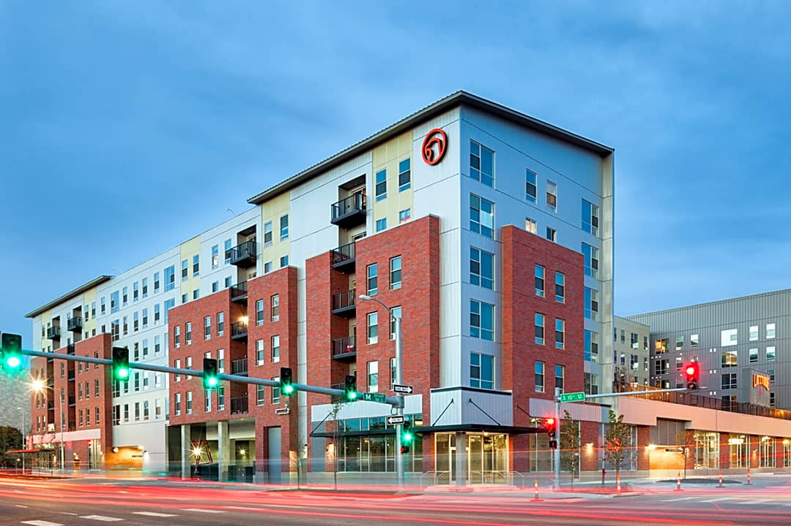
Property Summary |  |  |  | Property Amenities |  |  |  |  |  | Unit Amenities |  |  |  |  |  |  | Insert Property Photo
Property | Latitude |  |  | Common Area Rating |  |  | 3 |  |  | Unit Rating |  |  |  |  | 3
Website |  |  |  | University Shuttle |  |  | No |  |  | Unit Levels |  |  |  |  | 1
Address | 235 S 11th St |  |  | Private Shuttle |  |  | No |  |  | Private Bathrooms |  |  |  |  | Varies
 |  |  |  | Limited Access Gates |  |  | Yes |  |  | Walk-in Closets |  |  |  |  | No
Phone Number | 402-507-4539 |  |  | Fitness Center |  |  | Yes |  |  | Washer / Dryer in Unit |  |  |  |  | Yes
Developer | CA Ventures |  |  | Computer Lounge |  |  | Yes |  |  | Smart Home Technology |  |  |  |  | No
Manager | CA Ventures |  |  | Game Room |  |  | Yes |  |  | Smart Bedroom Locks |  |  |  |  | Yes
Owner | CA Ventures |  |  | Spray Tanning |  |  | No |  |  | Smart Unit Locks |  |  |  |  | Yes
Property Type | Student |  |  | UV Tanning |  |  | Yes |  |  | Energy Efficient Appliances |  |  |  |  | Yes
Property Status | Operational |  |  | Pool |  |  | Yes |  |  | Stainless Steel Appliances |  |  |  |  | Yes
Product Type | Mid-Rise |  |  | Hot Tub |  |  | Yes |  |  | Balconies |  |  |  |  | Varies
Property Rating | 3 |  |  | 24hr Package System |  |  | No |  |  | Patios |  |  |  |  | No
Comp Status | Tier 1 |  |  | EV Charging Stations |  |  | No |  |  | Backyards |  |  |  |  | No
Year Built / Renovated | 2015 |  |  | Car Sharing Services |  |  | No |  |  | TV
Most Recent Sale | N/A |  |  | Smart Vending |  |  | No |  |  | Included in Rent |  |  |  |  | Yes
Distance From Campus | 1 Mile |  |  | Mini Market |  |  | No |  |  | Rentable Rate (if not included) |  |  |  |  | $0 | 0 | Notes
 |  |  |  | Movie Theatre |  |  | No |  |  | Bedroom |  |  |  |  | $0 |  | Leasing Special Notes
Leasing Summary |  |  |  | Co-Working/Study Spaces |  |  | Yes |  |  | Common Area |  |  |  |  | $0 |  | Last Market Survey 43.95%, College House 44% as of 2/28
Reporting Cycle | Saturday-Friday |  |  | Free Printing |  |  | Yes |  |  | Furniture
Lease Launch Date | 2024-10-07 |  |  | Coffee Bar |  |  | Yes |  |  | Included in Rent |  |  |  |  | Yes
Renewal Launch Date | 2024-09-30 |  |  | Retail |  |  | Yes |  |  | Rentable Rate (if not included) |  |  |  |  | $0
Current Occupancy | 83.6% |  |  | Sauna/Spa |  |  | Yes |  |  | Other Premiums
Last Year Occupancy | #NAME? |  |  | Cycling/Yoga Studio |  |  | No |  |  | Floor Premiums |  |  |  |  | $0
Current Pre-Lease | 44.0% |  |  | Rentable Guest Suite |  |  | No |  |  | Poolside |  |  |  |  | $0
Last Year Pre-Lease | #NAME? |  |  | Wellness Classes |  |  | No |  |  | Top Floor |  |  |  |  | $0
Total Renewals | 0 |  |  | 24hr Concierge |  |  | No |  |  | View Premiums |  |  |  |  | $0
Total New Leases | 252 |  |  | Outdoor Grill Area |  |  | Yes |  |  | Other |  |  |  |  | $0 |  | Property Notes/Operational Changes
Total Leases: Weekly | ? |  |  | Sand Volleyball Court |  |  | No
Traffic: Weekly | 0 |  |  | Basketball Court |  |  | No |  |  | Utilities Summary
Current Incentive | None |  |  | Pets Allowed |  |  | Yes |  |  |  | All Inclusive | Cap | Allowance | Amount | Per Unit/Bed
Incentive Amount | $0 |  |  | Dog Wash |  |  | No |  |  | Electricity | No | No | No | $14 | Per Bed | 0
Data Last Updated | 2025-03-03 |  |  | Dog Park |  |  | No |  |  | Gas | No | No | No | $0 | Per Bed | 0
 |  |  |  |  |  |  |  |  |  | Water | No | No | No | $0 | Per Bed | 0
Short Term Leases |  |  |  | Parking |  |  |  |  |  | Other Utilities | Included | Amount |  |  |  | -1 | Office Hours
5 Month Term Available | No |  |  |  | Required | Included | Amount |  |  | Cable/Satellite | Yes | $0 |  |  | Per Bed | 0 | Monday |  | 9:00 – 7:00
5 Month Term Premium | $0 |  |  | Surface | No | No | $0 | 0 |  | Internet | No | $0 |  |  | Per Bed | 0 | Tuesday |  | 9:00 – 7:00
5 Month Term Quantity | N/A |  |  | Reserved | No | No | $0 | 0 |  | Trash Service | Yes | $0 |  |  | Per Bed | 0 | Wednesday |  | 9:00 – 7:00
10 Month Term Available | No |  |  | Covered | No | No | $0 | 0 |  | Valet Trash | No | $0 |  |  | Per Bed | 0 | Thursday |  | 9:00 – 7:00
10 Month Term Premium | $0 |  |  | Garage | No | No | $0 | 0 |  | Recycling | Yes | $0 |  |  | Per Bed | 0 | Friday |  | 9:00 – 7:00
10 Month Term Quantity | N/A |  |  | Other | No | No | $0 | 0 |  |  |  |  |  |  |  |  | Saturday |  | 10:00 – 5:00
 |  |  |  |  |  |  |  | 0 |  |  |  |  |  |  |  |  | Sunday |  | 12:00 – 7:00
Fees | Amount | Frequency
Application Fee | $25 | Monthly
Administration Fee | $150 | Monthly
Fee Structure | Both Fees Waived | Monthly
Utility Set Up Fee | $0 | Monthly
Utility Deposit | $0 | Monthly
Amenity Fee | $0 | Monthly
Common Area Fee | $0 | Monthly
Smart Home Fee | $0 | Monthly
Restoration Fee | $0 | Monthly
Security Deposit | $0 | Monthly
Pet Fee | $350 | Monthly
Pet Deposit | $0 | Monthly
Pet Rent | $25 | Monthly

Rents by Floorplan *
 |  |  |  |  |  |  |  | Market Rent |  | Concessions |  |  | Effective Rent |  | Additional Monthly Expenses |  |  |  |  |  |  | Bundled Rent
Floorplan Type | Description |  | Count | SF / Bed | Bed | Bath | Available | Per Bed | Per SF | Gift Card | One-Time Rent | Monthly Rent | Per Bed | Per SF | Furniture | TV | Elec/Gas | Water | Cable & Internet | Trash & Valet | Parking | Per Bed | Per SF
Studio | Sx1 Terrace |  | 4 | 488 | 1 | 1.0 | Yes | $1,309 | $2.68 | $0 | $0 | $0 | $1,309 | $2.68 | $0 | $0 | $0 | $0 | $0 | $0 | $0 | $1,309 | $2.68 | 1
Studio | Sx1 Premium |  | 1 | 488 | 1 | 1.0 | Yes | $1,329 | $2.72 | $0 | $0 | $0 | $1,329 | $2.72 | $0 | $0 | $0 | $0 | $0 | $0 | $0 | $1,329 | $2.72 | 1
1 Bedroom | 1x1 Terrace |  | 23 | 574 | 1 | 1.0 | Yes | $1,349 | $2.35 | $0 | $0 | $0 | $1,349 | $2.35 | $0 | $0 | $0 | $0 | $0 | $0 | $0 | $1,349 | $2.35 | 1
1 Bedroom | 1x1 Premium |  | 7 | 574 | 1 | 1.0 | Yes | $1,429 | $2.49 | $0 | $0 | $0 | $1,429 | $2.49 | $0 | $0 | $0 | $0 | $0 | $0 | $0 | $1,429 | $2.49 | 1
2 Bedroom | 2x2 Terrace |  | 52 | 378 | 2 | 2.0 | Yes | $859 | $2.27 | $0 | $0 | $0 | $859 | $2.27 | $0 | $0 | $0 | $0 | $0 | $0 | $0 | $859 | $2.27 | 1
2 Bedroom | 2x2 Premium |  | 14 | 378 | 2 | 2.0 | Yes | $919 | $2.43 | $0 | $0 | $0 | $919 | $2.43 | $0 | $0 | $0 | $0 | $0 | $0 | $0 | $919 | $2.43 | 1
3 Bedroom | 3x3 Terrace |  | 120 | 336 | 3 | 3.0 | Yes | $729 | $2.17 | $0 | $0 | $0 | $729 | $2.17 | $0 | $0 | $0 | $0 | $0 | $0 | $0 | $729 | $2.17 | 1
3 Bedroom | 3x3 Premium |  | 36 | 336 | 3 | 3.0 | Yes | $749 | $2.23 | $0 | $0 | $0 | $749 | $2.23 | $0 | $0 | $0 | $0 | $0 | $0 | $0 | $749 | $2.23 | 1
4 Bedroom | 4x3 Terrace |  | 100 | 303 | 4 | 3.0 | Yes | $680 | $2.25 | $0 | $0 | $0 | $680 | $2.25 | $0 | $0 | $0 | $0 | $0 | $0 | $0 | $680 | $2.25 | 1
4 Bedroom | 4x3 Terrace Master |  | 40 | 303 | 4 | 3.0 | Yes | $695 | $2.30 | $0 | $0 | $0 | $695 | $2.30 | $0 | $0 | $0 | $0 | $0 | $0 | $0 | $695 | $2.30 | 1
4 Bedroom | 4x3 Premium |  | 24 | 303 | 4 | 3.0 | Yes | $709 | $2.34 | $0 | $0 | $0 | $709 | $2.34 | $0 | $0 | $0 | $0 | $0 | $0 | $0 | $709 | $2.34 | 1
4 Bedroom | 4x3 Premium Master |  | 12 | 303 | 4 | 3.0 | Yes | $731 | $2.41 | $0 | $0 | $0 | $731 | $2.41 | $0 | $0 | $0 | $0 | $0 | $0 | $0 | $731 | $2.41 | 1
4 Bedroom | 4x4 Terrace |  | 112 | 309 | 4 | 4.0 | Yes | $719 | $2.33 | $0 | $0 | $0 | $719 | $2.33 | $0 | $0 | $0 | $0 | $0 | $0 | $0 | $719 | $2.33 | 1
4 Bedroom | 4x4 Premium |  | 28 | 309 | 4 | 4.0 | Yes | $749 | $2.43 | $0 | $0 | $0 | $749 | $2.43 | $0 | $0 | $0 | $0 | $0 | $0 | $0 | $749 | $2.43 | 1
Property Average |  |  | 573 | 338 |  |  | Yes | $773 | $2.28 | $0 | $0 | $0 | $773 | $2.28 | $0 | $0 | $0 | $0 | $0 | $0 | $0 | $773 | $2.28

Average Rents by Unit Type *
 |  |  |  |  |  |  |  | Market Rent |  | Concessions |  |  | Effective Rent |  | Additional Monthly Expenses |  |  |  |  |  |  | Bundled Rent
Unit Type |  |  |  |  | Count | SF / Bed | Available | Per Bed | Per SF | Gift Card | One-Time Rent | Monthly Rent | Per Bed | Per SF | Furniture | TV | Elec/Gas | Water | Cable & Internet | Trash & Valet | Parking | Per Bed | Per SF
Studio |  |  |  |  | 5 | 488 | Yes | $1,313 | $2.69 | $0 | $0 | $0 | $1,313 | $2.69 | $0 | $0 | $0 | $0 | $0 | $0 | $0 | $1,313 | $2.69
1 Bedroom |  |  |  |  | 30 | 574 | Yes | $1,368 | $2.38 | $0 | $0 | $0 | $1,368 | $2.38 | $0 | $0 | $0 | $0 | $0 | $0 | $0 | $1,368 | $2.38
2 Bedroom |  |  |  |  | 66 | 378 | Yes | $872 | $2.31 | $0 | $0 | $0 | $872 | $2.31 | $0 | $0 | $0 | $0 | $0 | $0 | $0 | $872 | $2.31
3 Bedroom |  |  |  |  | 156 | 336 | Yes | $734 | $2.19 | $0 | $0 | $0 | $734 | $2.19 | $0 | $0 | $0 | $0 | $0 | $0 | $0 | $734 | $2.19
4 Bedroom |  |  |  |  | 316 | 305 | Yes | $706 | $2.31 | $0 | $0 | $0 | $706 | $2.31 | $0 | $0 | $0 | $0 | $0 | $0 | $0 | $706 | $2.31
5 Bedroom |  |  |  |  | 0 | 0 | N/A | $0 | $0.00 | $0 | $0 | $0 | $0 | $0.00 | $0 | $0 | $0 | $0 | $0 | $0 | $0 | $0 | $0.00
6 Bedroom |  |  |  |  | 0 | 0 | N/A | $0 | $0.00 | $0 | $0 | $0 | $0 | $0.00 | $0 | $0 | $0 | $0 | $0 | $0 | $0 | $0 | $0.00
Property Average |  |  |  |  | 573 | 338 | Yes | $773 | $2.28 | $0 | $0 | $0 | $773 | $2.28 | $0 | $0 | $0 | $0 | $0 | $0 | $0 | $773 | $2.28

* Assumes a 12-month lease term

LivRed
MARKET SURVEY |  |  |  |  |  |  |  |  |  |  |  |  |  |  |  |  |  |  |  |  |  |  | Property Detail: LivRed

Property Summary |  |  |  | Property Amenities |  |  |  |  |  | Unit Amenities |  |  |  |  |  |  | 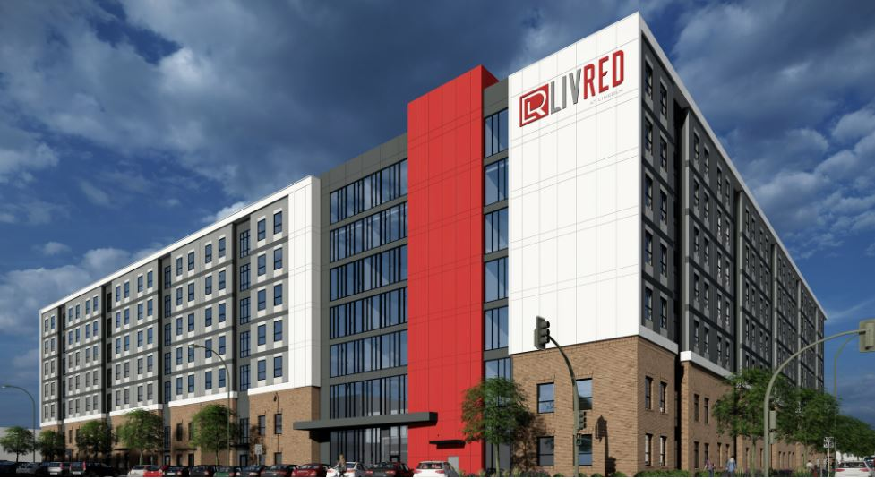 Insert Property Photo
Property | LivRed |  |  | Common Area Rating |  |  | 4 |  |  | Unit Rating |  |  |  |  | 4
Website |  |  |  | University Shuttle |  |  | No |  |  | Unit Levels |  |  |  |  | 1
Address | 921 M St |  |  | Private Shuttle |  |  | Yes |  |  | Private Bathrooms |  |  |  |  | Yes
 |  |  |  | Limited Access Gates |  |  | Yes |  |  | Walk-in Closets |  |  |  |  | No
Phone Number | 402-407-8800 |  |  | Fitness Center |  |  | Yes |  |  | Washer / Dryer in Unit |  |  |  |  | Yes
Developer | Campion |  |  | Computer Lounge |  |  | No |  |  | Smart Home Technology |  |  |  |  | No
Manager | Tailwind Group |  |  | Game Room |  |  | Yes |  |  | Smart Bedroom Locks |  |  |  |  | Yes
Owner | Tailwind Group |  |  | Spray Tanning |  |  | No |  |  | Smart Unit Locks |  |  |  |  | Yes
Property Type | Student |  |  | UV Tanning |  |  | Yes |  |  | Energy Efficient Appliances |  |  |  |  | Yes
Property Status | Operational |  |  | Pool |  |  | Yes |  |  | Stainless Steel Appliances |  |  |  |  | Yes
Product Type | Mid-Rise |  |  | Hot Tub |  |  | Yes |  |  | Balconies |  |  |  |  | No
Property Rating | 4 |  |  | 24hr Package System |  |  | Yes |  |  | Patios |  |  |  |  | No
Comp Status | Tier 1 |  |  | EV Charging Stations |  |  | No |  |  | Backyards |  |  |  |  | No
Year Built / Renovated | 2022 |  |  | Car Sharing Services |  |  | No |  |  | TV
Most Recent Sale | N/A |  |  | Smart Vending |  |  | No |  |  | Included in Rent |  |  |  |  | Yes
Distance From Campus | 0.8 Miles |  |  | Mini Market |  |  | No |  |  | Rentable Rate (if not included) |  |  |  |  | $0 | 0 | Notes
 |  |  |  | Movie Theatre |  |  | No |  |  | Bedroom |  |  |  |  | $0 |  | Leasing Special Notes
Leasing Summary |  |  |  | Co-Working/Study Spaces |  |  | Yes |  |  | Common Area |  |  |  |  | $0 |  | Last Market Survey 60.7% (2/21), College House 65% as of 2/28
Reporting Cycle | Saturday-Friday |  |  | Free Printing |  |  | Yes |  |  | Furniture
Lease Launch Date | 2024-10-15 |  |  | Coffee Bar |  |  | Yes |  |  | Included in Rent |  |  |  |  | Yes
Renewal Launch Date | 2024-10-01 |  |  | Retail |  |  | No |  |  | Rentable Rate (if not included) |  |  |  |  | $0
Current Occupancy | 93.5% |  |  | Sauna/Spa |  |  | Yes |  |  | Other Premiums
Last Year Occupancy | #NAME? |  |  | Cycling/Yoga Studio |  |  | Yes |  |  | Floor Premiums |  |  |  |  | $0
Current Pre-Lease | 65.0% |  |  | Rentable Guest Suite |  |  | Yes |  |  | Poolside |  |  |  |  | $0
Last Year Pre-Lease | #NAME? |  |  | Wellness Classes |  |  | No |  |  | Top Floor |  |  |  |  | $0
Total Renewals | 0 |  |  | 24hr Concierge |  |  | No |  |  | View Premiums |  |  |  |  | $0
Total New Leases | 374 |  |  | Outdoor Grill Area |  |  | Yes |  |  | Other |  |  |  |  | $0 |  | Property Notes/Operational Changes
Total Leases: Weekly | 25 |  |  | Sand Volleyball Court |  |  | No
Traffic: Weekly | 0 |  |  | Basketball Court |  |  | No |  |  | Utilities Summary
Current Incentive | Monthly Concession |  |  | Pets Allowed |  |  | Yes |  |  |  | All Inclusive | Cap | Allowance | Amount | Per Unit/Bed
Incentive Amount | $75 |  |  | Dog Wash |  |  | Yes |  |  | Electricity | No | No | No | $30 | Per Bed | 0
Data Last Updated | 2025-03-01 |  |  | Dog Park |  |  | Yes |  |  | Gas | No | No | No | $0 | Per Bed | 0
 |  |  |  |  |  |  |  |  |  | Water | Yes | No | No | $0 | Per Bed | 0
Short Term Leases |  |  |  | Parking |  |  |  |  |  | Other Utilities | Included | Amount |  |  |  | -1 | Office Hours
5 Month Term Available | No |  |  |  | Required | Included | Amount |  |  | Cable/Satellite | No | $0 |  |  | Per Bed | 0 | Monday |  | 10:00 – 6:00
5 Month Term Premium | $0 |  |  | Surface | No | No | $95 | 0 |  | Internet | Yes | $0 |  |  | Per Bed | 0 | Tuesday |  | 10:00 – 6:00
5 Month Term Quantity | N/A |  |  | Reserved | No | No | $65 | 0 |  | Trash Service | No | $0 |  |  | Per Bed | 0 | Wednesday |  | 10:00 – 6:00
10 Month Term Available | No |  |  | Covered |  |  |  | 0 |  | Valet Trash | No | $15 |  |  | Per Bed | 15 | Thursday |  | 10:00 – 6:00
10 Month Term Premium | $0 |  |  | Garage |  |  |  | 0 |  | Recycling | Yes | $0 |  |  | Per Bed | 0 | Friday |  | 10:00 – 6:00
10 Month Term Quantity | N/A |  |  | Other | No | No | $0 | 0 |  |  |  |  |  |  |  |  | Saturday |  | 10:00 – 5:00
 |  |  |  |  |  |  |  | 0 |  |  |  |  |  |  |  |  | Sunday |  | 9:00 – 5:00
Fees | Amount | Frequency
Application Fee | $0 | Monthly
Administration Fee | $250 | Monthly
Fee Structure | Both Fees Due | Monthly
Utility Set Up Fee | $0 | Monthly
Utility Deposit | $0 | Monthly
Amenity Fee | $0 | Monthly
Common Area Fee | $0 | Monthly
Smart Home Fee | $0 | Monthly
Restoration Fee | $0 | Monthly
Security Deposit | $0 | Monthly
Pet Fee | $350 | Monthly
Pet Deposit | $0 | Monthly
Pet Rent | $25 | Monthly

Rents by Floorplan *
 |  |  |  |  |  |  |  | Market Rent |  | Concessions |  |  | Effective Rent |  | Additional Monthly Expenses |  |  |  |  |  |  | Bundled Rent
Floorplan Type | Description |  | Count | SF / Bed | Bed | Bath | Available | Per Bed | Per SF | Gift Card | One-Time Rent | Monthly Rent | Per Bed | Per SF | Furniture | TV | Elec/Gas | Water | Cable & Internet | Trash & Valet | Parking | Per Bed | Per SF
1 Bedroom | A |  | 5 | 500 | 1 | 1.0 | No | $1,350 | $2.70 | $0 | $0 | $75 | $1,275 | $2.55 | $0 | $0 | $0 | $0 | $0 | $15 | $0 | $1,290 | $2.58 | 1
2 Bedroom | B |  | 24 | 389 | 2 | 2.0 | Yes | $925 | $2.38 | $0 | $0 | $75 | $850 | $2.19 | $0 | $0 | $0 | $0 | $0 | $15 | $0 | $865 | $2.22 | 1
3 Bedroom | C1 |  | 3 | 355 | 3 | 3.0 | No | $825 | $2.32 | $0 | $0 | $75 | $750 | $2.11 | $0 | $0 | $0 | $0 | $0 | $15 | $0 | $765 | $2.15 | 1
3 Bedroom | C2 |  | 3 | 367 | 3 | 3.0 | Yes | $825 | $2.25 | $0 | $0 | $75 | $750 | $2.05 | $0 | $0 | $0 | $0 | $0 | $15 | $0 | $765 | $2.09 | 1
4 Bedroom | D1 |  | 504 | 322 | 4 | 4.0 | Yes | $700 | $2.18 | $0 | $0 | $75 | $625 | $1.94 | $0 | $0 | $0 | $0 | $0 | $15 | $0 | $640 | $1.99 | 1
4 Bedroom | D2 |  | 4 | 314 | 4 | 4.0 | Yes | $700 | $2.23 | $0 | $0 | $0 | $700 | $2.23 | $0 | $0 | $0 | $0 | $0 | $15 | $0 | $715 | $2.28 | 1
4 Bedroom | D3 |  | 32 | 354 | 4 | 4.0 | Yes | $700 | $1.98 | $0 | $0 | $75 | $625 | $1.77 | $0 | $0 | $0 | $0 | $0 | $15 | $0 | $640 | $1.81 | 1
Property Average |  |  | 575 | 328 |  |  | Yes | $716 | $2.18 | $0 | $0 | $74 | $642 | $1.95 | $0 | $0 | $0 | $0 | $0 | $15 | $0 | $657 | $2.00

Average Rents by Unit Type *
 |  |  |  |  |  |  |  | Market Rent |  | Concessions |  |  | Effective Rent |  | Additional Monthly Expenses |  |  |  |  |  |  | Bundled Rent
Unit Type |  |  |  |  | Count | SF / Bed | Available | Per Bed | Per SF | Gift Card | One-Time Rent | Monthly Rent | Per Bed | Per SF | Furniture | TV | Elec/Gas | Water | Cable & Internet | Trash & Valet | Parking | Per Bed | Per SF
Studio |  |  |  |  | 0 | 0 | N/A | $0 | $0.00 | $0 | $0 | $0 | $0 | $0.00 | $0 | $0 | $0 | $0 | $0 | $0 | $0 | $0 | $0.00
1 Bedroom |  |  |  |  | 5 | 500 | N/A | $1,350 | $2.70 | $0 | $0 | $75 | $1,275 | $2.55 | $0 | $0 | $0 | $0 | $0 | $15 | $0 | $1,290 | $2.58
2 Bedroom |  |  |  |  | 24 | 389 | Yes | $925 | $2.38 | $0 | $0 | $75 | $850 | $2.19 | $0 | $0 | $0 | $0 | $0 | $15 | $0 | $865 | $2.22
3 Bedroom |  |  |  |  | 6 | 361 | Yes | $825 | $2.29 | $0 | $0 | $75 | $750 | $2.08 | $0 | $0 | $0 | $0 | $0 | $15 | $0 | $765 | $2.12
4 Bedroom |  |  |  |  | 540 | 323 | Yes | $700 | $2.17 | $0 | $0 | $74 | $626 | $1.94 | $0 | $0 | $0 | $0 | $0 | $15 | $0 | $641 | $1.98
5 Bedroom |  |  |  |  | 0 | 0 | N/A | $0 | $0.00 | $0 | $0 | $0 | $0 | $0.00 | $0 | $0 | $0 | $0 | $0 | $0 | $0 | $0 | $0.00
6 Bedroom |  |  |  |  | 0 | 0 | N/A | $0 | $0.00 | $0 | $0 | $0 | $0 | $0.00 | $0 | $0 | $0 | $0 | $0 | $0 | $0 | $0 | $0.00
Property Average |  |  |  |  | 575 | 328 | Yes | $716 | $2.18 | $0 | $0 | $74 | $642 | $1.95 | $0 | $0 | $0 | $0 | $0 | $15 | $0 | $657 | $2.00

* Assumes a 12-month lease term

50-50
MARKET SURVEY |  |  |  |  |  |  |  |  |  |  |  |  |  |  |  |  |  |  |  |  |  |  | Property Detail: 50-50

Property Summary |  |  |  | Property Amenities |  |  |  |  |  | Unit Amenities |  |  |  |  |  |  | 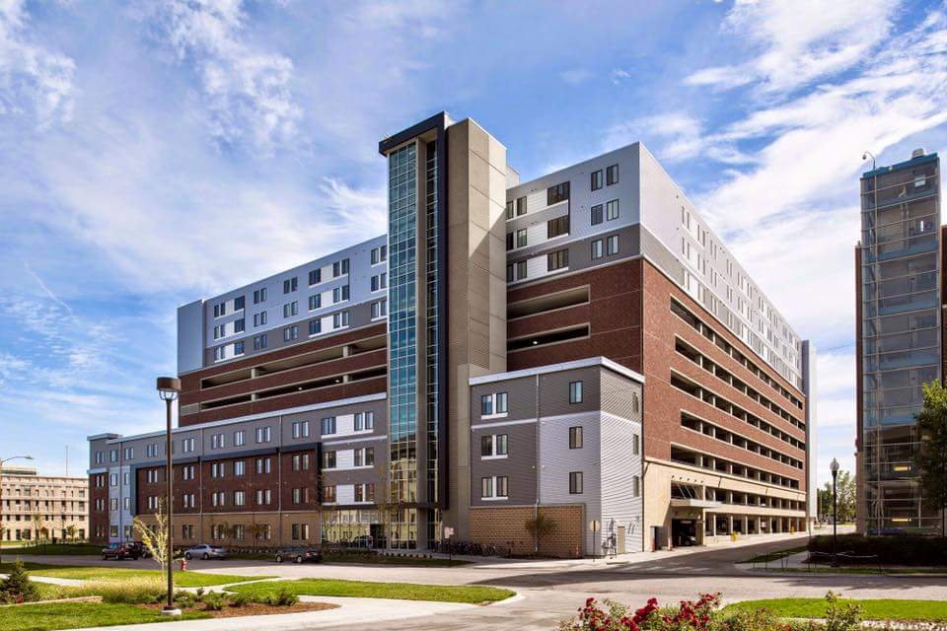 Insert Property Photo
Property | 50-50 |  |  | Common Area Rating |  |  | 2 |  |  | Unit Rating |  |  |  |  | 2
Website |  |  |  | University Shuttle |  |  | No |  |  | Unit Levels |  |  |  |  | 1
Address | 1801 R Street |  |  | Private Shuttle |  |  | Yes |  |  | Private Bathrooms |  |  |  |  | Varies
 |  |  |  | Limited Access Gates |  |  | Yes |  |  | Walk-in Closets |  |  |  |  | No
Phone Number | 402-205-4888 |  |  | Fitness Center |  |  | Yes |  |  | Washer / Dryer in Unit |  |  |  |  | Yes
Developer | Burlington Capital Properties |  |  | Computer Lounge |  |  | Yes |  |  | Smart Home Technology |  |  |  |  | No
Manager | Burlington Capital Properties |  |  | Game Room |  |  | Yes |  |  | Smart Bedroom Locks |  |  |  |  | Yes
Owner | Burlington Capital Properties |  |  | Spray Tanning |  |  | No |  |  | Smart Unit Locks |  |  |  |  | Yes
Property Type | Student |  |  | UV Tanning |  |  | Yes |  |  | Energy Efficient Appliances |  |  |  |  | Yes
Property Status | Operational |  |  | Pool |  |  | No |  |  | Stainless Steel Appliances |  |  |  |  | Yes
Product Type | Mid-Rise |  |  | Hot Tub |  |  | No |  |  | Balconies |  |  |  |  | No
Property Rating | 2 |  |  | 24hr Package System |  |  | No |  |  | Patios |  |  |  |  | No
Comp Status | Tier 1 |  |  | EV Charging Stations |  |  | No |  |  | Backyards |  |  |  |  | No
Year Built / Renovated | 2014 |  |  | Car Sharing Services |  |  | No |  |  | TV
Most Recent Sale | N/A |  |  | Smart Vending |  |  | Yes |  |  | Included in Rent |  |  |  |  | Yes
Distance From Campus | 0 Miles |  |  | Mini Market |  |  | No |  |  | Rentable Rate (if not included) |  |  |  |  | $0 | 0 | Notes
 |  |  |  | Movie Theatre |  |  | No |  |  | Bedroom |  |  |  |  | $0 |  | Leasing Special Notes
Leasing Summary |  |  |  | Co-Working/Study Spaces |  |  | Yes |  |  | Common Area |  |  |  |  | $0 |  | SOLD OUT
Reporting Cycle | Monday-Sunday |  |  | Free Printing |  |  | Yes |  |  | Furniture
Lease Launch Date | 2023-10-27 |  |  | Coffee Bar |  |  | Yes |  |  | Included in Rent |  |  |  |  | Yes
Renewal Launch Date | 2023-10-27 |  |  | Retail |  |  | No |  |  | Rentable Rate (if not included) |  |  |  |  | $0
Current Occupancy | 99.6% |  |  | Sauna/Spa |  |  | No |  |  | Other Premiums
Last Year Occupancy | #NAME? |  |  | Cycling/Yoga Studio |  |  | No |  |  | Floor Premiums |  |  |  |  | $0
Current Pre-Lease | 100.0% |  |  | Rentable Guest Suite |  |  | No |  |  | Poolside |  |  |  |  | $0
Last Year Pre-Lease | #NAME? |  |  | Wellness Classes |  |  | No |  |  | Top Floor |  |  |  |  | $0
Total Renewals | 0 |  |  | 24hr Concierge |  |  | No |  |  | View Premiums |  |  |  |  | $0
Total New Leases | 475 |  |  | Outdoor Grill Area |  |  | No |  |  | Other |  |  |  |  | $0 |  | Property Notes/Operational Changes
Total Leases: Weekly | 0 |  |  | Sand Volleyball Court |  |  | No
Traffic: Weekly | 0 |  |  | Basketball Court |  |  | No |  |  | Utilities Summary
Current Incentive | None |  |  | Pets Allowed |  |  | No |  |  |  | All Inclusive | Cap | Allowance | Amount | Per Unit/Bed
Incentive Amount | $0 |  |  | Dog Wash |  |  | No |  |  | Electricity | Yes | No | No | $0 | Per Bed | 0
Data Last Updated | 2025-03-03 |  |  | Dog Park |  |  | No |  |  | Gas | Yes | No | No | $0 | Per Bed | 0
 |  |  |  |  |  |  |  |  |  | Water | Yes | No | No | $0 | Per Bed | 0
Short Term Leases |  |  |  | Parking |  |  |  |  |  | Other Utilities | Included | Amount |  |  |  | -1 | Office Hours
5 Month Term Available | No |  |  |  | Required | Included | Amount |  |  | Cable/Satellite | Yes | $0 |  |  | Per Bed | 0 | Monday |  | 9:00 – 5:00
5 Month Term Premium | $0 |  |  | Surface | No | No | $54 | 0 |  | Internet | Yes | $0 |  |  | Per Bed | 0 | Tuesday |  | 9:00 – 5:00
5 Month Term Quantity | N/A |  |  | Reserved |  |  |  | 0 |  | Trash Service | Yes | $0 |  |  | Per Bed | 0 | Wednesday |  | 9:00 – 5:00
10 Month Term Available | No |  |  | Covered |  |  |  | 0 |  | Valet Trash | No | $0 |  |  | Per Bed | 0 | Thursday |  | 9:00 – 5:00
10 Month Term Premium | $0 |  |  | Garage |  |  |  | 0 |  | Recycling | No | $0 |  |  | Per Bed | 0 | Friday |  | 9:00 – 5:00
10 Month Term Quantity | N/A |  |  | Other | No | No | $0 | 0 |  |  |  |  |  |  |  |  | Saturday |  | 9:00 – 5:00
 |  |  |  |  |  |  |  | 0 |  |  |  |  |  |  |  |  | Sunday |  | 9:00 – 5:00
Fees | Amount | Frequency
Application Fee | $35 | Monthly
Administration Fee | $0 | Monthly
Fee Structure | Both Fees Waived | Monthly
Utility Set Up Fee | $0 | Monthly
Utility Deposit | $0 | Monthly
Amenity Fee | $0 | Monthly
Common Area Fee | $0 | Monthly
Smart Home Fee | $0 | Monthly
Restoration Fee | $0 | Monthly
Security Deposit | $200 | Monthly
Pet Fee | $0 | Monthly
Pet Deposit | $0 | Monthly
Pet Rent | $0 | Monthly

Rents by Floorplan *
 |  |  |  |  |  |  |  | Market Rent |  | Concessions |  |  | Effective Rent |  | Additional Monthly Expenses |  |  |  |  |  |  | Bundled Rent
Floorplan Type | Description |  | Count | SF / Bed | Bed | Bath | Available | Per Bed | Per SF | Gift Card | One-Time Rent | Monthly Rent | Per Bed | Per SF | Furniture | TV | Elec/Gas | Water | Cable & Internet | Trash & Valet | Parking | Per Bed | Per SF
2 Bedroom | 2x1 |  | 18 | 314 | 2 | 1.0 | No |  | $0.00 | $0 | $0 | $0 | $0 | $0.00 | $0 | $0 | $0 | $0 | $0 | $0 | $0 | $0 | $0.00 | 1
3 Bedroom | 3x3 |  | 9 | 328 | 3 | 3.0 | No |  | $0.00 | $0 | $0 | $0 | $0 | $0.00 | $0 | $0 | $0 | $0 | $0 | $0 | $0 | $0 | $0.00 | 1
4 Bedroom | 4x2 |  | 92 | 263 | 4 | 2.0 | No |  | $0.00 | $0 | $0 | $0 | $0 | $0.00 | $0 | $0 | $0 | $0 | $0 | $0 | $0 | $0 | $0.00 | 1
4 Bedroom | 4x3 |  | 8 | 256 | 4 | 3.0 | No |  | $0.00 | $0 | $0 | $0 | $0 | $0.00 | $0 | $0 | $0 | $0 | $0 | $0 | $0 | $0 | $0.00 | 1
4 Bedroom | 4x4 |  | 348 | 286 | 4 | 4.0 | No |  | $0.00 | $0 | $0 | $0 | $0 | $0.00 | $0 | $0 | $0 | $0 | $0 | $0 | $0 | $0 | $0.00 | 1
Property Average |  |  | 475 | 283 |  |  | No | $0 | $0.00 | $0 | $0 | $0 | $0 | $0.00 | $0 | $0 | $0 | $0 | $0 | $0 | $0 | $0 | $0.00

Average Rents by Unit Type *
 |  |  |  |  |  |  |  | Market Rent |  | Concessions |  |  | Effective Rent |  | Additional Monthly Expenses |  |  |  |  |  |  | Bundled Rent
Unit Type |  |  |  |  | Count | SF / Bed | Available | Per Bed | Per SF | Gift Card | One-Time Rent | Monthly Rent | Per Bed | Per SF | Furniture | TV | Elec/Gas | Water | Cable & Internet | Trash & Valet | Parking | Per Bed | Per SF
Studio |  |  |  |  | 0 | 0 | N/A | $0 | $0.00 | $0 | $0 | $0 | $0 | $0.00 | $0 | $0 | $0 | $0 | $0 | $0 | $0 | $0 | $0.00
1 Bedroom |  |  |  |  | 0 | 0 | N/A | $0 | $0.00 | $0 | $0 | $0 | $0 | $0.00 | $0 | $0 | $0 | $0 | $0 | $0 | $0 | $0 | $0.00
2 Bedroom |  |  |  |  | 18 | 314 | N/A | $0 | $0.00 | $0 | $0 | $0 | $0 | $0.00 | $0 | $0 | $0 | $0 | $0 | $0 | $0 | $0 | $0.00
3 Bedroom |  |  |  |  | 9 | 328 | N/A | $0 | $0.00 | $0 | $0 | $0 | $0 | $0.00 | $0 | $0 | $0 | $0 | $0 | $0 | $0 | $0 | $0.00
4 Bedroom |  |  |  |  | 448 | 281 | N/A | $0 | $0.00 | $0 | $0 | $0 | $0 | $0.00 | $0 | $0 | $0 | $0 | $0 | $0 | $0 | $0 | $0.00
5 Bedroom |  |  |  |  | 0 | 0 | N/A | $0 | $0.00 | $0 | $0 | $0 | $0 | $0.00 | $0 | $0 | $0 | $0 | $0 | $0 | $0 | $0 | $0.00
6 Bedroom |  |  |  |  | 0 | 0 | N/A | $0 | $0.00 | $0 | $0 | $0 | $0 | $0.00 | $0 | $0 | $0 | $0 | $0 | $0 | $0 | $0 | $0.00
Property Average |  |  |  |  | 475 | 283 | No | $0 | $0.00 | $0 | $0 | $0 | $0 | $0.00 | $0 | $0 | $0 | $0 | $0 | $0 | $0 | $0 | $0.00

* Assumes a 12-month lease term

